ART
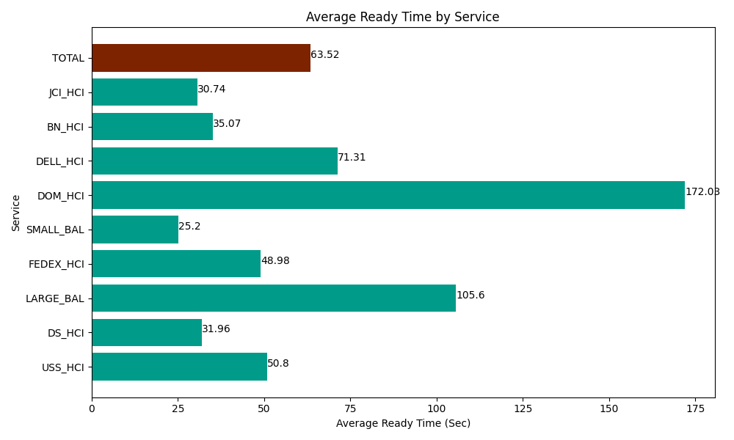
Date | Service | Successful Op Transfer | In Call (Sec) | Ready (Sec) | Wrapup (Sec) | Not Ready (Sec) | Average Ready Time (Sec)
04-11-2024 | USS_HCI | 30 | 5212.2001648 | 1523.9999771 | 3781.7999268 | 760.20000458 | 50.8
04-11-2024 | DS_HCI | 793 | 41794.200439 | 25343.999634 | 79490.998535 | 53800.799561 | 31.96
04-11-2024 | LARGE_BAL | 2 | 12.000000179 | 211.19999886 | 373.80000114 | 25.199999213 | 105.6
04-11-2024 | FEDEX_HCI | 110 | 12816.000366 | 5388.0001831 | 8910 | 11644.200439 | 48.98
04-11-2024 | SMALL_BAL | 30 | 1546.8000412 | 756.00002289 | 2222.9999542 | 75 | 25.2
04-11-2024 | DOM_HCI | 25 | 2067.0000458 | 4300.8000183 | 8044.8001099 | 82.799999714 | 172.03
04-11-2024 | DELL_HCI | 67 | 4164.0000916 | 4777.7998352 | 13665 | 6333.0001831 | 71.31
04-11-2024 | BN_HCI | 1147 | 70909.797363 | 40228.198242 | 116365.80322 | 55153.798828 | 35.07
04-11-2024 | JCI_HCI | 489 | 50620.799561 | 15033.000183 | 69204.001465 | 10264.200439 | 30.74
 | TOTAL | 2693 | 189142.79807 | 97562.998095 | 302059.20321 | 138139.19945 | 63.52

